First Impression
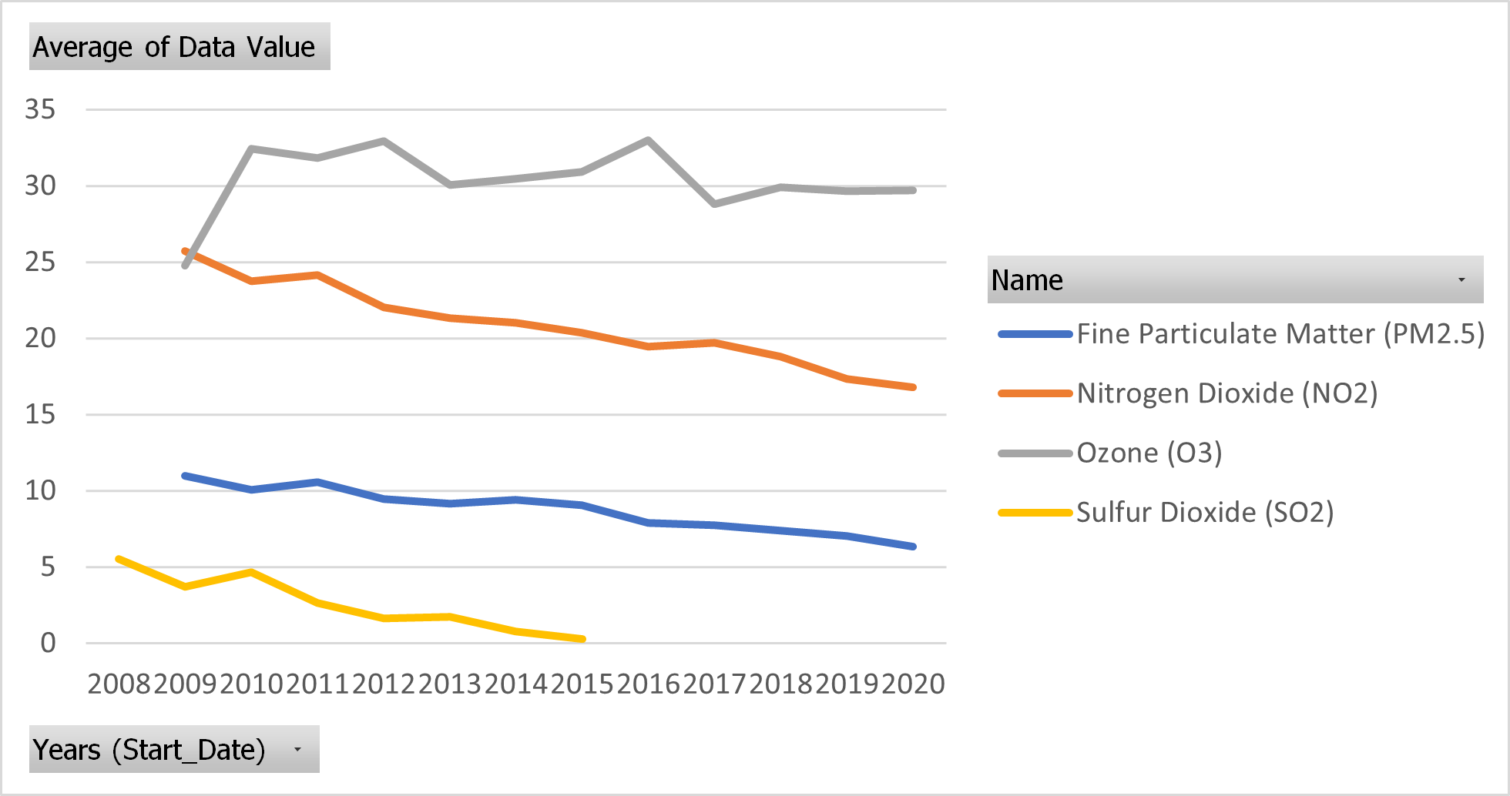
Evolution of 4 Air Quality Measure
By examining air quality data collected from multiple monitoring stations across the city, we can observe a general increase in air quality. This improvement is reflected in the reduction of various pollutants such as nitrogen dioxide (NO2)(33% reduction since 2009), sulfur dioxide (SO2)(95%between 2008 and 2015), particulate matter (PM2.5)(42% since 2009), benzene and formaldehyde. These pollutants, which are commonly associated with vehicle emissions, industrial activities, and other combustion processes, exhibit a consistent decline over time. Nonetheless, the analysis reveals a contrasting trend when it comes to Ozone levels. Ozone is a secondary pollutant formed by the reaction of nitrogen oxides (NOx) and volatile organic compounds (VOCs) in the presence of sunlight. Although efforts have been made to reduce the precursor pollutants, the levels of Ozone have not exhibited a proportional decrease. To address the persistent Ozone pollution, a comprehensive approach is required. This may involve targeted emission reduction strategies, enhanced monitoring and modeling to better understand the spatiotemporal patterns of Ozone formation, and public awareness campaigns to promote sustainable behaviors. Additionally, collaboration between government agencies, environmental organizations, and industries is crucial to implement effective mitigation measures. In conclusion, while the citywide air quality has shown significant improvement, the resistance of Ozone pollution to this positive change is apparent. Understanding the complexities of Ozone formation, including the influence of precursor pollutants, meteorological conditions, and geographical factors, is essential for developing effective strategies to combat this persistent issue. We will now try to find the cause.

Evolution of Benzene and Formaldehyde Concentrations
 | 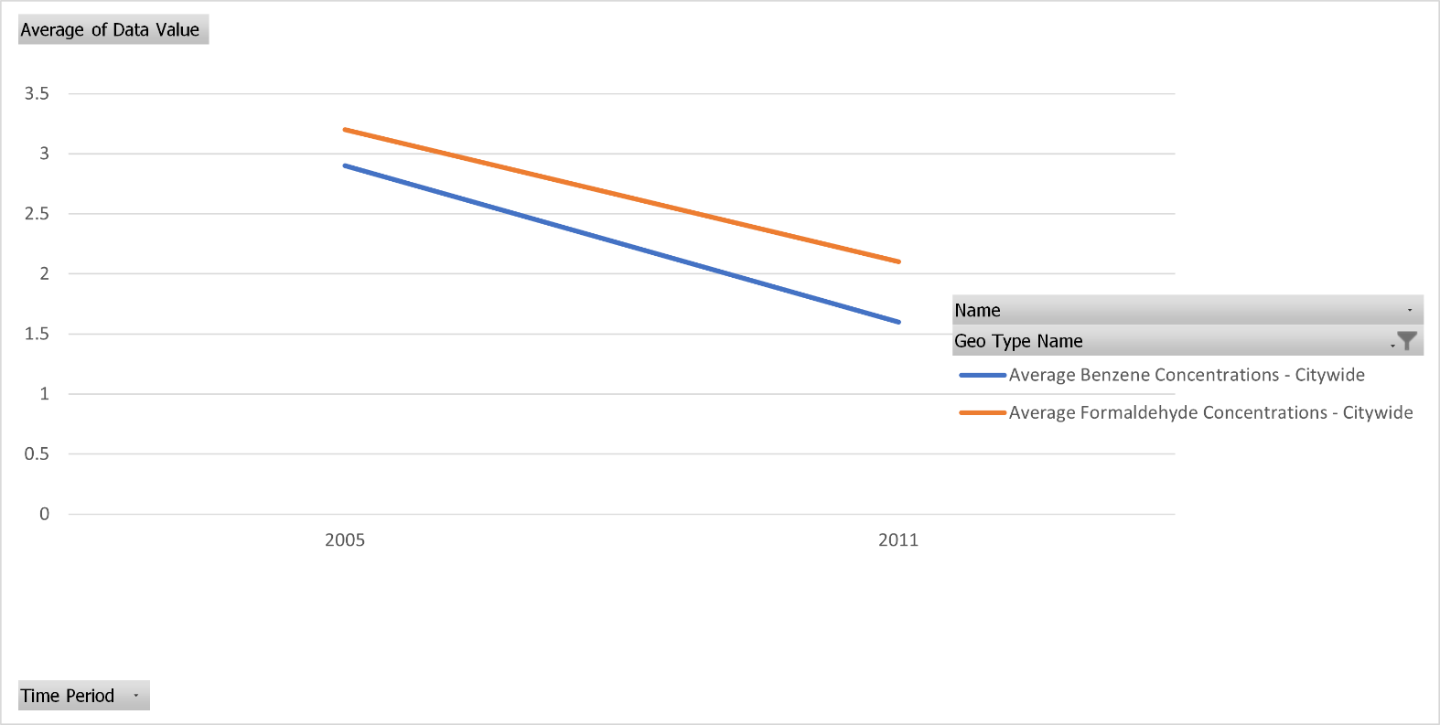

The cause
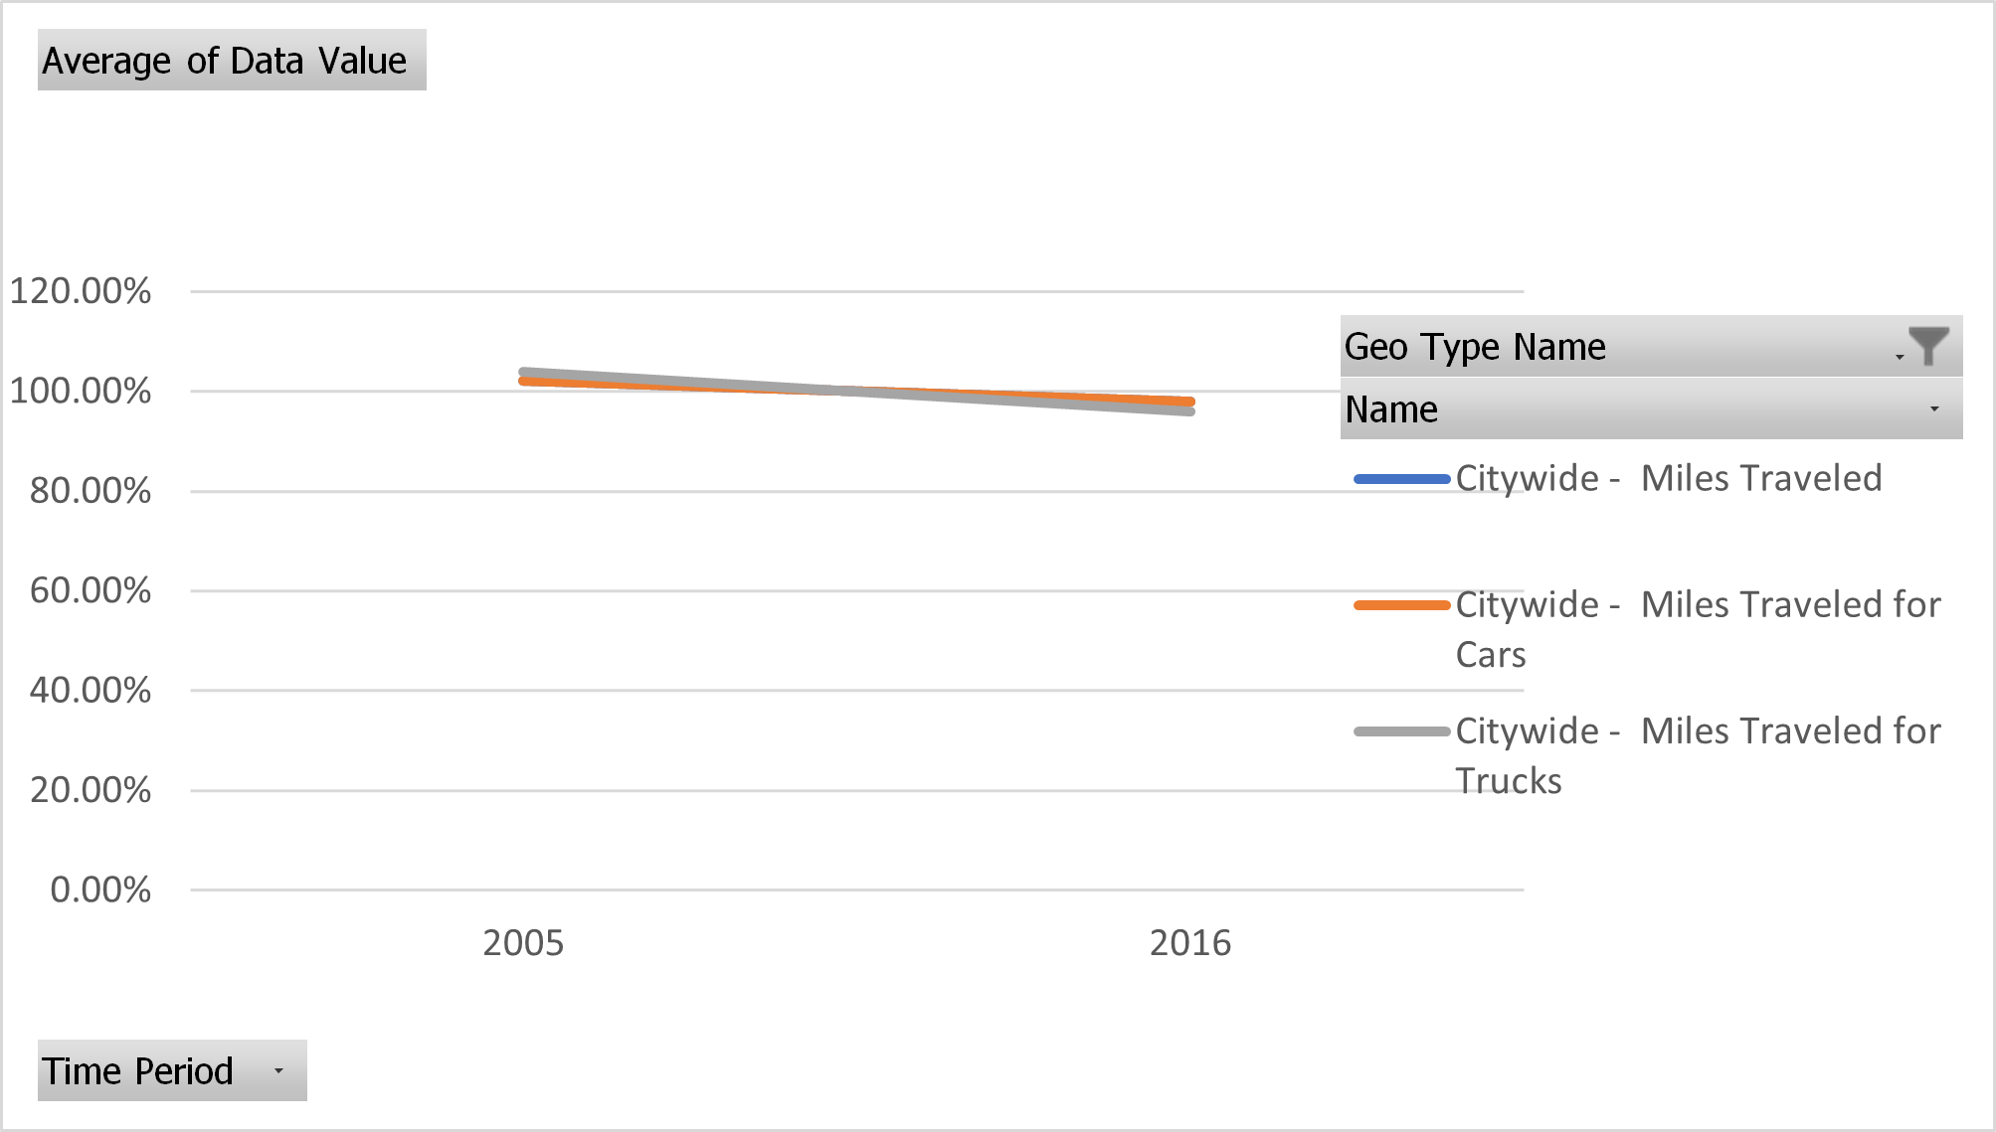
Evolution of Miles Traveled
In order to explore the potential correlation between the reduction in air pollution and available data on boiler emissions and traffic density, we will conduct a data-driven analysis. While the dataset may have limitations due to the limited availability of information, we can still gain insights by examining the available data points. First, we examine the miles traveled data. We find no significant reduction in miles traveled. This suggests that changes in travel behavior, such as a decrease in vehicular activity, cannot fully explain the observed improvement in air quality. Although we lack direct data on car quality, it is plausible that advancements in vehicle technology and emissions control systems could contribute to the reduction in air pollution. Factors such as stricter emission standards, increased adoption of electric vehicles, or improvements in engine efficiency may have played a role in mitigating pollution from vehicle emissions. We then focus on the data related to emissions from boilers. The reduction in emissions of PM2.5 and SO2 from boilers suggests a positive environmental impact in terms of air quality. However, the lack of significant reduction in NOx emissions aligns with the stable levels of O3 observed. This correlation indicates that the NOx emissions may be related to O3 levels. Ozone formation is a complex process influenced by various factors, including precursor emissions such as NOx, weather conditions, and atmospheric chemistry. Despite these findings, it is important to emphasize that drawing strong conclusions based on only two data points is challenging. The limited dataset restricts our ability to fully understand the dynamics and trends associated with air pollution. Additionally, other factors not accounted for in the analysis, such as changes in industrial activities, urban development, or weather patterns, could have influenced air quality but are not captured by the available data. In summary, based on the lim

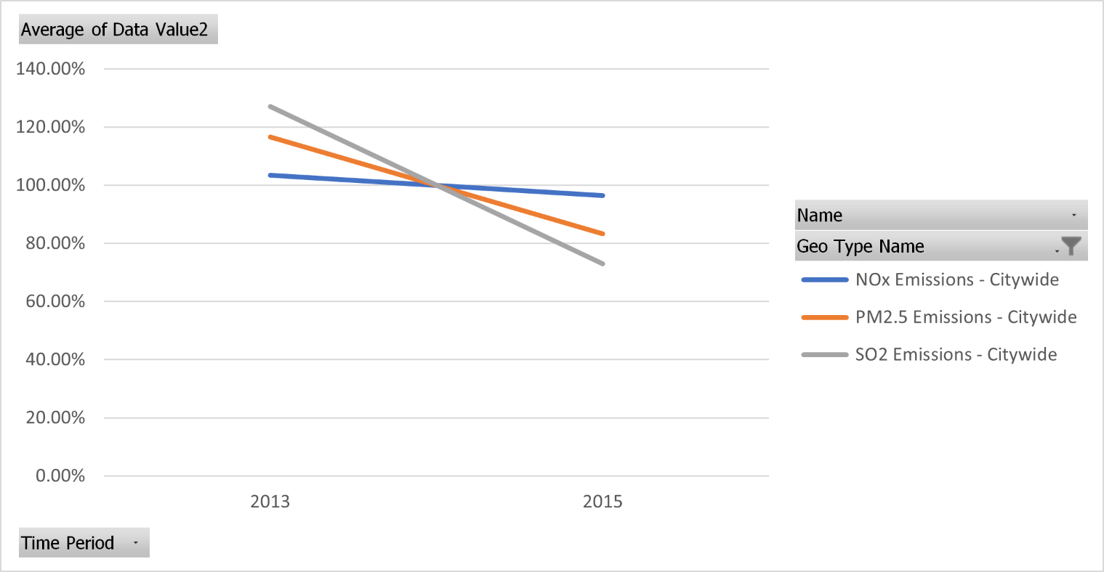
Evolution of Boiler Emission

The consequences
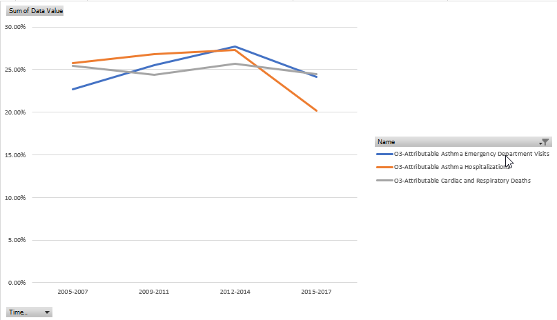
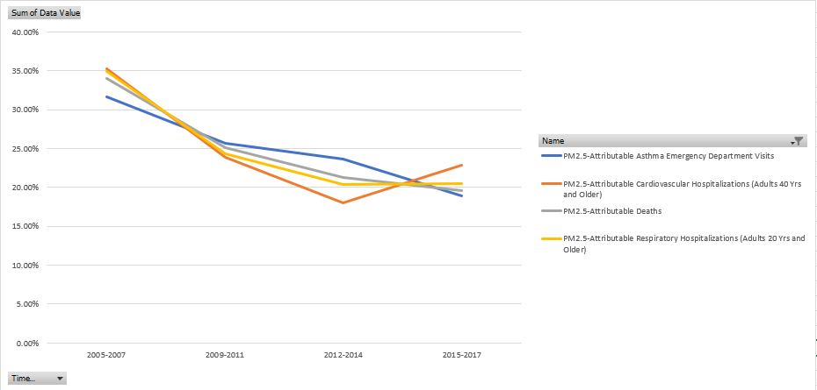
To comprehensively analyze the consequences of the increase in air quality, we will consider various health-related metrics, specifically focusing on the impacts of PM2.5 (fine particulate matter) and O3 (ozone) pollution. By examining these metrics, we can gain insights into the health burden imposed by air pollution and understand the potential benefits of improved air quality. Based on our analysis, we observe an impressive 25% overall reduction in health risk, indicating the positive impact of improved air quality. This reduction signifies a significant improvement in public health outcomes. However, it is important to note that this reduction encompasses the combined effects of various health risks associated with air pollution. PM2.5 Health Risk Reduction: Our analysis reveals a substantial 40% reduction in health risk specifically attributable to PM2.5 pollution. PM2.5 particles are known to have adverse effects on respiratory and cardiovascular health, and the reduction in PM2.5-related health risk indicates a significant improvement in these areas. O3 Health Risk Reduction: We do not observe an apparent reduction in health risk associated with O3 pollution, apart from a 22% decrease in asthma hospitalizations. Indeed, the lack of a reduction in health risk citywide is coherent with the absence of a significant reduction in O3 concentration. In conclusion, our analysis reveals a noteworthy 25% overall reduction in health risk, with a significant 40% reduction attributed to PM2.5 pollution. However, no apparent reduction in health risk is observed for O3, except for a decrease in asthma hospitalizations. These findings highlight the importance of continued efforts to mitigate air pollution, particularly focusing on PM2.5, and the need for further investigation into the complex dynamics of O3 pollution and its associated health risks.

Geographic Variance
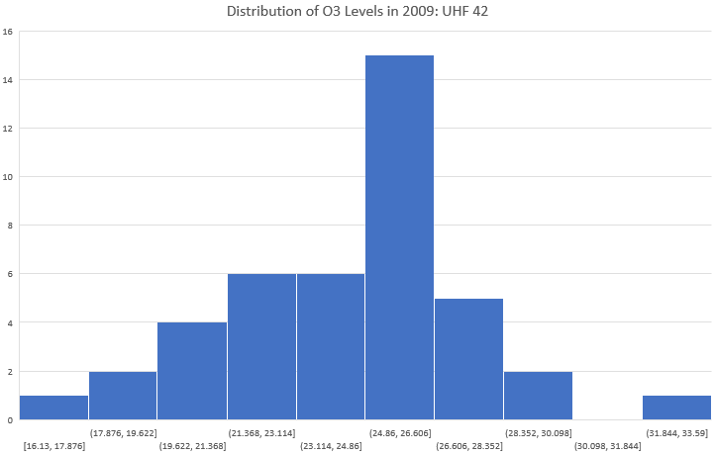
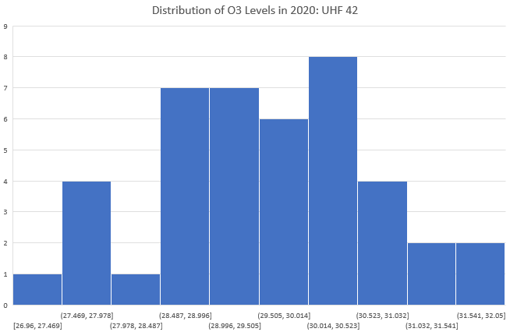
In this section, we are examining the variability in air quality based on geography, specifically focusing on UHF42 as it represents a smaller geographical unit. We are comparing data for the years 2009 and 2020 to see if there have been any changes in this variability over time. The initial graph displays both the average value and the standard deviation, which measures the typical deviation of individual data points from the average. For PM2.5, we observe that the maximum value is nearly twice the minimum. It's crucial to investigate the implications of this difference on public health. Additionally, we note a sharp decrease in the average, consistent with our earlier analysis. The standard deviation also decreases, which is expected as the average has been halved. Despite the overall improvement in air quality across geotypes, the equality of air quality within the UHF42 geotype has not shown significant improvement. In 2009, for NO2, we see that the maximum value is almost three times the minimum, with a standard deviation of 6.1. However, in 2020, both the standard deviation and the range have reduced significantly more than the average. While the reduction in overall NO2 emissions is not as pronounced as with PM2.5, the most affected neighborhoods have notably improved, leading to enhanced air quality equality. Regarding O3, as noted earlier, the average has increased, but the standard deviation has decreased substantially. The concern arises from the fact that while the maximum value has decreased only slightly, the minimum value has increased significantly. Therefore, even though the average has not changed significantly, the previously well-performing UHF42 areas have experienced a noticeable decline in air quality. It's also worth noting that while Rockaway ranks highest in terms of air quality for PM2.5 and NO2, it ranks lowest for O3. Conversely, Gramercy Park, which scores lowest for PM2.5 and NO2, ranks highest for O3. This indicates tha

 |  | min : Rockaways |  | min : Rockaways
 |  | max : Gramercy Park - Murray Hill |  | max : Chelsea - Clinton
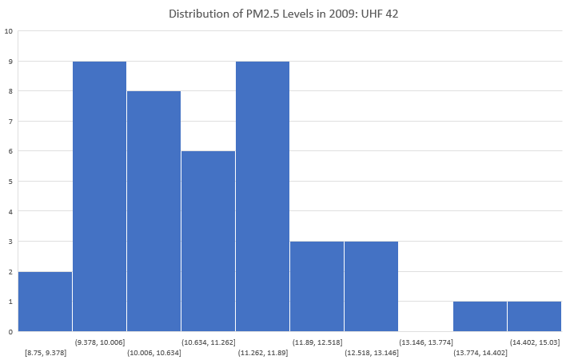
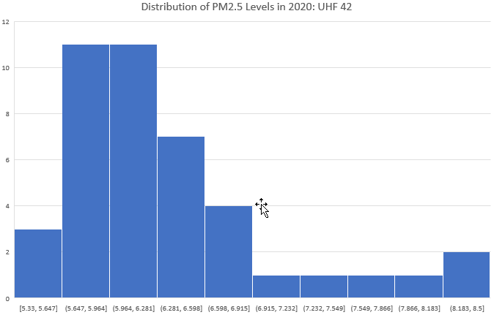

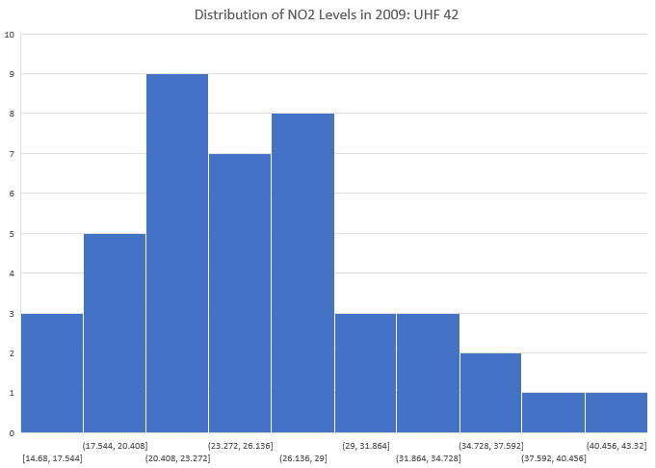
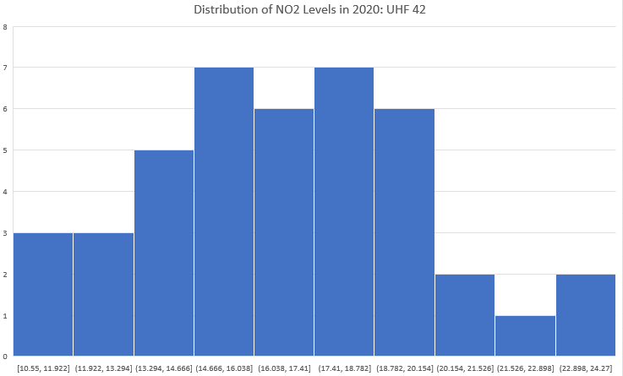
 |  | min : Rockaways
 |  | max : Gramercy Park - Murray Hill |  | min : Rockaways
 |  |  |  | max : Gramercy Park - Murray Hill

 | min : Gramercy Park - Murray Hill |  | min : Port Richmond
 | max : Rockaways |  | max:Pelham - Throgs Neck

Health Variance
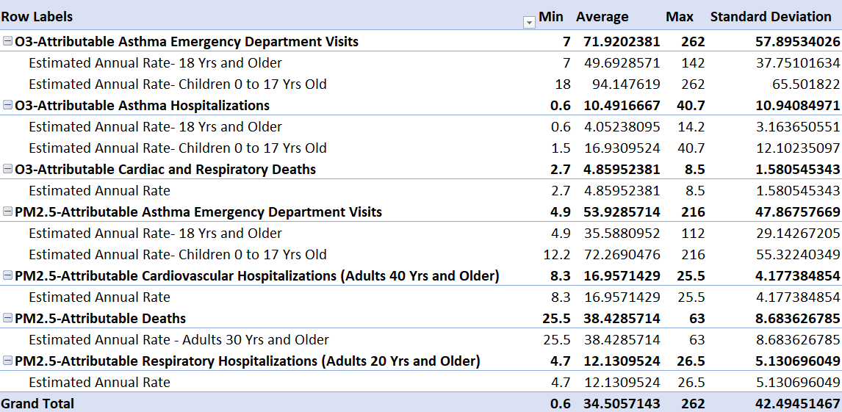
 | In 2015-2017 for UHF42
We've just observed a slight variation in emissions within UHF42. The next question is whether this variance has an impact on residents' health. Fortunately, we have data related to health issues attributed to O3 and PM2.5. In this worksheet, we're specifically examining the most recent data from 2015 to 2017. Upon examining the initial table, we noticed a substantial difference in reported health problems, even more significant than the variation in emissions. This finding is surprising; if air quality were the sole precursor to health-related issues, we would expect the values to closely correlate. It's important to note that these values are per resident, so they aren't influenced by the size of each UHF42. We then investigated the correlation between air quality and health, where 0 implies no correlation, 1 indicates a positive correlation (meaning when one variable increases, the other also increases), and -1 signifies a negative correlation (when one increases, the other decreases). Our findings clearly indicate no significant correlation between air quality and resulting health issues. This result is quite unexpected. It's possible that in certain underserved neighborhoods, a lack of access to healthcare professionals might allow minor issues to escalate into emergencies, necessitating hospitalization. Another factor could be occupational exposure; given that a significant portion of our lives is spent at work, neighborhoods with a high number of workers in environments with poor air quality could experience a notable discrepancy in health. Nonetheless, this is surprising, as the reported deaths are attributed to PM2.5 or O3. Hence, we anticipate a correlation. It would be valuable to understand how these attributions are calculated; perhaps there's an error in our computations, or there might be a flaw in the methodology leading to the "attributable to" label. If there's no error, it's possible that there are unseen ways in this data set to be

 |  |  |  | In 2015-2017
 | correlation O3-Attributable Asthma Emergency Department VisitsEstimated Annual Rate- 18 Yrs and Older | correlation O3-Attributable Asthma Emergency Department VisitsEstimated Annual Rate- Children 0 to 17 Yrs Old | correlation O3-Attributable Asthma HospitalizationsEstimated Annual Rate- 18 Yrs and Older | correlation O3-Attributable Asthma HospitalizationsEstimated Annual Rate- Children 0 to 17 Yrs Old | correlation O3-Attributable Cardiac and Respiratory DeathsEstimated Annual Rate | correlation PM2.5-Attributable Asthma Emergency Department VisitsEstimated Annual Rate- 18 Yrs and Older | correlation PM2.5-Attributable Asthma Emergency Department VisitsEstimated Annual Rate- Children 0 to 17 Yrs Old | correlation PM2.5-Attributable Cardiovascular Hospitalizations (Adults 40 Yrs and Older)Estimated Annual Rate | correlation PM2.5-Attributable DeathsEstimated Annual Rate - Adults 30 Yrs and Older | correlation PM2.5-Attributable Respiratory Hospitalizations (Adults 20 Yrs and Older)Estimated Annual Rate
 | 0.026889920913 | -0.0672373351 | 0.087950647082 | 0.013960889175 | 0.51647171845 | 0.015217827001 | 0.071532024891 | -0.10344860961 | -0.049168217131 | -0.68582149287
Correlation between O3-Attributable Cardiac and Respiratory DeathsEstimated Annual Rate and O3 emission by UHF42
5.3 | 31.51
4.9 | 31.183333333
6.3 | 32.376666667
4.8 | 31.8
6 | 34.313333333
4.4 | 28.946666667
3.4 | 26.1
8.5 | 34.163333333
3.4 | 29.92
3.2 | 29.886666667
4.8 | 31.996666667
5.2 | 29.37
4.1 | 32.58
5.8 | 31.86
4 | 30.216666667
5.1 | 31.586666667
3.6 | 24.896666667
3.1 | 30.97
2.9 | 27.536666667
3.9 | 29.996666667
3.6 | 31.546666667
5.1 | 32.276666667
8.3 | 29.57
4.3 | 31.233333333
2.7 | 27.123333333
6.2 | 30.716666667
4.8 | 31.61
5.2 | 30.136666667
5.3 | 31.783333333
7.7 | 36.936666667
7.7 | 33.063333333
4.1 | 32.843333333
3.8 | 32.696666667
8.4 | 31.616666667
3.1 | 31.276666667
4.5 | 27.816666667
3.8 | 27.826666667
4.6 | 28.076666667
3.3 | 29.263333333
3.5 | 31.376666667
3.7 | 31.14
7.7 | 31.43
Correlation between PM2.5-Attributable Respiratory Hospitalizations (Adults 20 Yrs and Older)Estimated Annual Rate and PM.5 emission by UHF42
8.2 | 7.39
12.4 | 8.1133333333
8.9 | 7.4333333333
8.8 | 7.72
11.9 | 7.4133333333
14.9 | 8.4133333333
6.9 | 10.54
14.7 | 7.1
21.4 | 8.67
7.8 | 9.0333333333
9.7 | 7.8633333333
20.3 | 8.6033333333
13.2 | 8.0133333333
10.2 | 7.6466666667
19.4 | 8.0766666667
8.5 | 7.4233333333
6.9 | 10.936666667
6.6 | 9.6433333333
4.7 | 9.7133333333
25.8 | 8.64
26.5 | 8.7133333333
10.5 | 7.4233333333
14.8 | 8.0266666667
9.3 | 8.95
6.6 | 9.6933333333
15.4 | 8.0466666667
15.9 | 7.9833333333
17.4 | 7.61
10 | 7.7966666667
16.9 | 6.4866666667
12.9 | 6.82
8.2 | 7.0533333333
9 | 7.3366666667
17.6 | 7.14
7.4 | 8.6466666667
10.7 | 9.2
6.7 | 9.3733333333
8.5 | 8.8666666667
10.3 | 8.32
8.6 | 8.4133333333
11 | 8.8333333333
14.1 | 7.3866666667

